Ops Summary
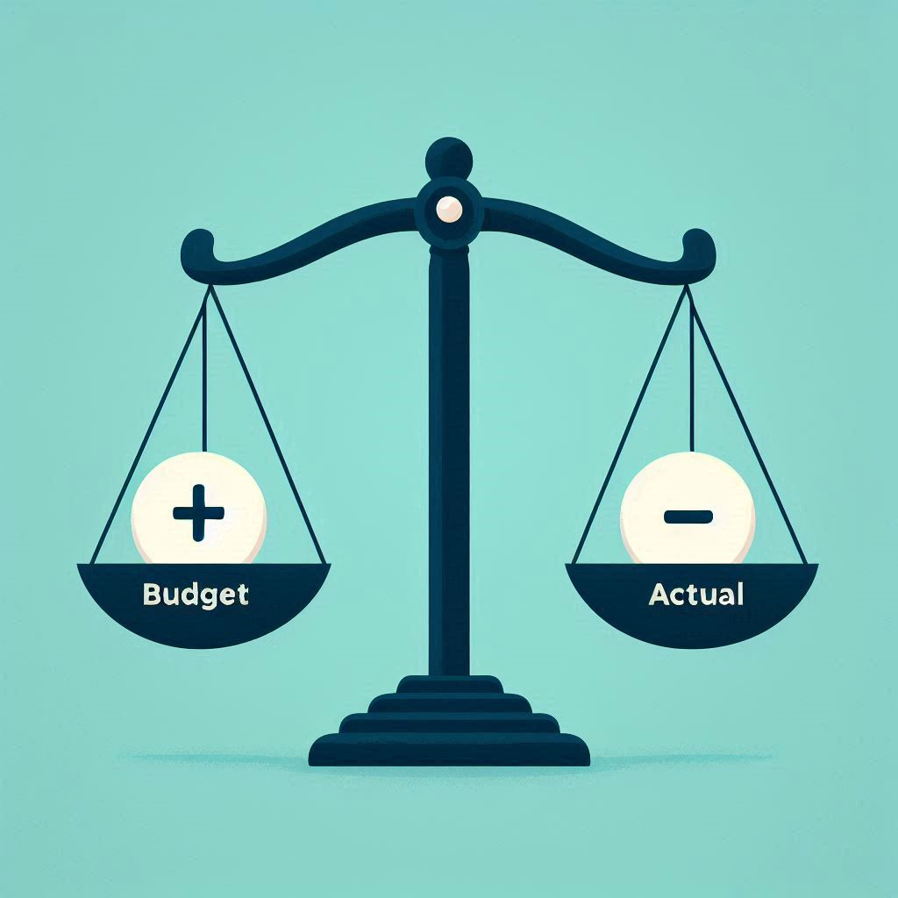
ATD NEFL - BUD vs ACT YTD May CAL'25 |  | FULL YEAR | YTD |  | As % of Goal | YTD BUD vs ACT
 |  | 2025 Goal | 2025 BUD | 2025 ACT | % | $ | %
 | Income | 26,907 | 17,256 | 13,858 | 52% | 3,398 | 20%
 | Events | 9,027 | 7,966 | 6,065 | 67% | 1,901 | 24%
 | Membership | 6,524 | 2,549 | 2,307 | 35% | 243 | 10%
 | CHIPs | 1,130 | 490 | 394 | 35% | 96 | 20%
 | Sponsorships | 10,000 | 6,150 | 5,000 | 50% | 1,150 | 19%
 | Other | 226 | 100 | 92 | 41% | 8 | 8%

 | Expenses | 21,023 | 10,272 | 11,178 | 53% | (906) | -9%
 | Program Fees | 5,075 | 2,030 | 2,964 | 58% | (934) | -46%
 | Leadership | 4,155 | 1,215 | 1,214 | 29% | 1 | 0%
 | Information Technology | 4,777 | 355 | 1,113 | 23% | (758) | -214%
 | PD Events | 5,775 | 5,775 | 4,911 | 85% | 864 | 15%
 | Admin / Finance | 700 | 625 | 577 | 82% | 48 | 8%
 | Misc Expense | 541 | 272 | 400 | 74% | (127) | -47%

 | Income | 5,884 | 6,983 | 2,679 | 46% | 2,492 | 36%
 | Margin % | 21.9% | 40.5% | 19.3% | n/a | n/a | n/a

 | Funds | 24,061 | 25,160 | 20,856 | 87% | (4,304) | -17%

